Sheet1
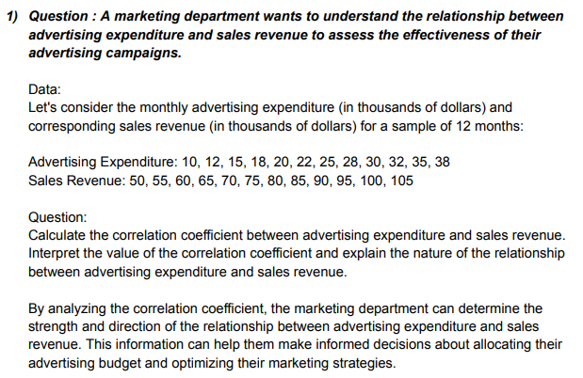
Advertising Expenditure | Sales Revenue | ANSWERS
10 | 50 |  | Advertising Expenditure | Sales Revenue
12 | 55 | Advertising Expenditure | 1
15 | 60 | Sales Revenue | 0.99921031004 | 1
18 | 65 | Interpretation | 1. The correlation coefficient is positive showing as the amount spend on advertising increase, the sales also increase.
20 | 70
22 | 75
25 | 80
28 | 85
30 | 90
32 | 95
35 | 100
38 | 105

